Guidelines
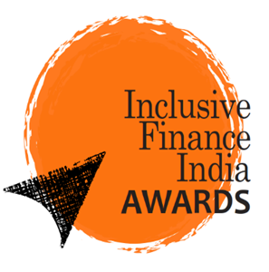

 |  | Organized by

2026

 |  |  | Guidelines - Financial Inclusion Institution of the Year (MFIs)

A | Eligibility
 | Legal entity (Company, including Sec 8, Society, Trust, NBFC, NBFC-MFI)
 | Minimum of Microfinance* Gross Loan portfolio INR 250 Cr as per 31st March 2026 Audited Financials.
 | Must have a core focus on financial inclusion, particularly serving low-income, rural, or underserved communities.
 | Minimum two completed financial years of microfinance operations
 | *A microfinance loan is defined as a collateral-free loan given to a household having annual household income up to ₹3,00,000.

B | Mandatory Documents
1 | Complete nomination Form
2 | Audited Financial Statements for FY 2023-24, FY 2024-25, and FY 2025-26 (if available)
3 | Rating report, rating rationale report and grading report for the last 3 years (Mandatory – attach separately)
4 | Any Audit and regulatory observations if any.

C | Note:
 | 1. All the information provided in the nomination form will be used solely for evaluating applicant institutions according to the parameters decided by the Awards Secretariat; confidentiality will be maintained.
 | 2. The agency takes the authenticity, correctness and ownership of the data provided in the nomination form.
 | 3. All the documents submitted towards completion of the nomination form are the property of the Awards Secretariat
 | 4. Jury decision will remain final and binding. Every effort has been made to ensure that due consideration is given to all the applications received based on the parameters decided under each category. No further queries will be entertained by the Awards Secretariat or the Jury
 | 5. The organizer and the sponsor will not assume any liability for loss or damage of any kind by use of the information provided herein
 | 6. In case of dispute Delhi to be the area of jurisdiction
 | 7. If the data or parameter is not applicable or relevant to your organization, please enter "N/A".

D | Submissions:
 | The completed nomination forms as an excel file attachment only, and supporting documents must be sent from email id of organization’s MD/CEO/COO/CFO/Designated Person with complete email signature to:
 | ifiawards@accessdev.org, cc: satyan@accessdev.org
 | Please note: Hard copies of Nomination forms, or in any other format shall not be accepted

E | Please direct queries to:
 | Satyan Kumar
 | Secretariat - Inclusive Finance India Awards
 | ACCESS Development Services 22, Hauz Khas Village, New Delhi – 110016 Phone: +91 11 49050255 | +91 8477902287

