Guidelines
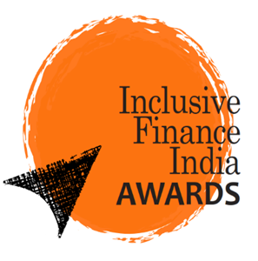

 |  | Organized by

2026

 |  |  | Guidelines - Enterprise Lending Award for the Year

A | Eligibility
1 | Any Legal entity (Section 8 company, Society, Trust, NBFC, NBFC-MFI, SFB, Bank, MSME)
2 | Minimum of 10% of active loan portfolio must be enterprise-focused.
3 | Maximum Enterprise Loan ticket size is not more than INR 20 lakhs.
4 | Minimum two completed years of financial operations

B | Mandatory Documents
1 | Complete nomination Form
2 | Audited Financial Statements for FY 2023-24, FY 2024-25, and FY 2025-26 (if available)
3 | Latest three Rating & Grading reports along with rationale report for rating. Any other social rating reports, if available
4 | Audit and Regulatory Observations, if any
5 | Other important documents also need to be enclosed as per the requirement.

C | Note:
 | 1.All the information provided in the nomination form will be used solely for evaluating applicant institutions according to the parameters decided by the Awards Secretariat; confidentiality will be maintained.
 | 2.All the documents submitted towards completion of the nomination form are the property of the Awards Secretariat
 | 3.Jury decision will remain final and binding. Every effort has been made to ensure that due consideration is given to all the applications received based on the parameters decided under each category. No further queries will be entertained by the Awards Secretariat or the Jury
 | 4.The organizer and the sponsor will not assume any liability for loss or damage of any kind by use of the information provided herein
 | 5.In case of dispute Delhi to be the area of jurisdiction
 | 6.If the data or parameter is not applicable or relevant to your organization, please enter "N/A".
 | 7. The authenticity, accuracy and ownership of all information, data and supporting documents submitted for this award application are the sole responsibility of the submitting entity.

D | Submissions:
 | The completed nomination forms as an excel file attachment only, and supporting documents must be sent from email id of organization’s MD/CEO/COO/CFO/Designated Person with complete email signature to:
 | ifiawards@accessdev.org, cc: satyan@accessdev.org
 | Please note: Hard copies of Nomination forms, or in any other format shall not be accepted

E | Please direct queries to:
 | Satyan Kumar
 | Secretariat - Inclusive Finance India Awards
 | ACCESS Development Services 22, Hauz Khas Village, New Delhi – 110016 Phone: +91 11 49050255 | +91 8477902287

